Blad1
 | ORDER |  | SUPPLIER : |  | ELITE |  | SEASON : | 2026/2 |  | YR REF : | P46W109

 |  |  | DATE: | 2026-04-13 |  |  | PRICE : | 14.4 | EURO | QUAL. : | MICRO SUEDE
 |  |  |  |  |  |  |  |  |  |  | PES EA
 |  |  | DESCRIPTION : |  | T-SHIRT V-NECK LONG SLEEVE

REFERENCE |  | HOT CORAL |  |  | SIZE : | 36 | 38 | 40 | 42 | 44 | 46 | TOTAL
P46W109 |  | GREEN |  |  |  | 34 | 58 | 68 | 74 | 70 | 62 | 366
 |  | RED |  |  |  | 18 | 22 | 24 | 28 | 28 | 28 | 148
 |  |  |  |  |  |  |  |  |  |  |  | 0
 |  |  |  |  |  |  |  |  |  |  |  | 0
 |  |  |  |  |  |  |  |  |  |  |  | 0
GREEN |  |  | RED |  |  |  |  |  |  |  |  | 514
23630-1015 |  |  | 23630-1017 |  |  |  |  |  |  |  |  | STYLE
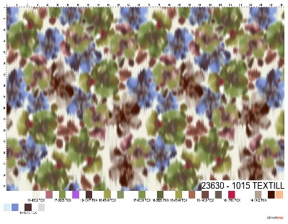
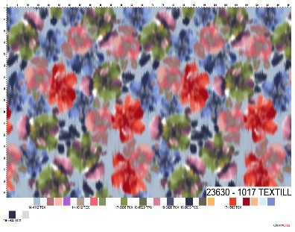
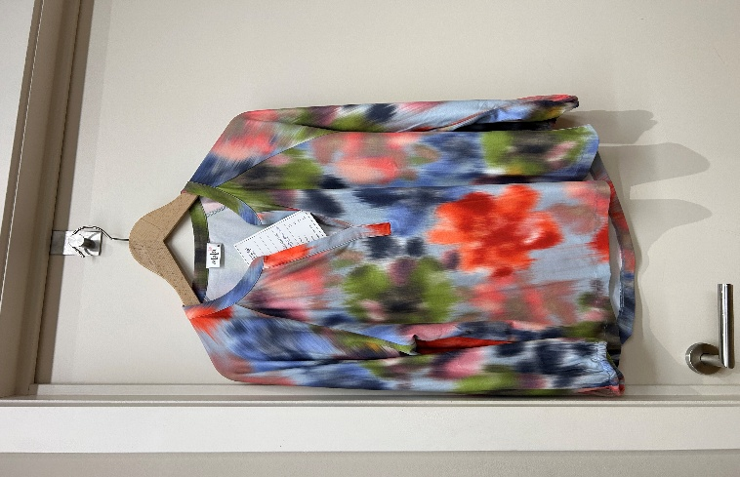

LABELS |  | SHE GOES LALA

REMARK

DELIVERY |  | June

